Index
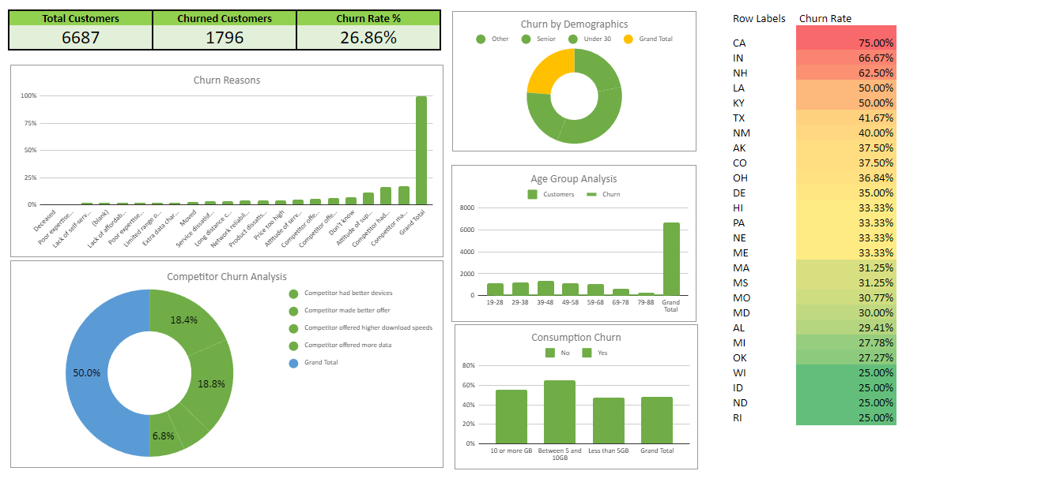
 | Case Study: Analyzing Customer Churn

 | Q1 | What's the total churn rate for "Databel"? (Answer format: XX.XX%) | 26.86%
 | Q2 | Which of the following is part of the top 3 churn reasons? | Competitor made better offer, Competitor had better devices, Attitude of support person
 | Q3 | What % of customers churned due to "Competitor made better offer"? Rounded to two decimal places. | 4.53%
 | Q4 | Which demographic group has the highest churn rate? | Mid Demography (31-60) Churn rate 13.13%
 | Q5 | Which age group makes up the lowest number of customers but the highest churn rate? | 69-78 churn rate 3.59% customers=603
 | Q6 | What's the churn rate for people on an unlimited plan who consume less than 5 GB of data? (Answer format: XX.XX%) | 7.91%
 | Q7 | It seems there is a state that has customers on a international plan that has a particularly high percentage of churners. Write the name code of this state (e.g., MT). | CA 75% Churn Rate
 | Q8 | Strategy for retaining senior citizens. | Price Discounts, Special Offers, If they are in a group Provide more benifits for the whole group,etc.
 | Q9 | Contract types churn percentage? | Month-to-month 23.61%, One Year 2.50%, Two Year 0.75%
 | Q10 | What are the total number of customers that "Databel" has served? | 6687
 | Q11 | Reason of churn? | Competitor made better offer, Competitor had better devices, Attitude of support person, Don't know, Competitor offered more data
 | Q12 | What is the churn rate for customers aged between 19-28 years old? (Answer format: XX.XX%) | 3.59%
 | Q13 | How many states had a churn rate of 25%? | Churn Rate of 25%-WI,UT and ND

Dashboard

Sample Dashboard

Dashboard
Databel Dashboard

Churn Rate by Demography
Churn Reasons
Total Customers | Churned Customers | Churn Rate | State | Churn Rate
6,687 | 1,796 | 26.86% | CA | 75.00%
 |  |  | IN | 66.67%
 |  |  | NH | 62.50%
 |  |  | KY | 50.00%
 |  |  | LA | 50.00%
 |  |  | TX | 41.67%
 |  |  | NM | 40.00%
 |  |  | CO | 37.50%
 |  |  | AK | 37.50%
 |  |  | OH | 36.84%
Age Group Analysis
 |  |  | DE | 35.00%
 |  |  | PA | 33.33%
 |  |  | ME | 33.33%
 |  |  | NE | 33.33%
 |  |  | HI | 33.33%
 |  |  | MS | 31.25%
 |  |  | MA | 31.25%
 |  |  | MO | 30.77%
 |  |  | MD | 30.00%
Competitor Churn Analysis
 |  |  | AL | 29.41%
 |  |  | MI | 27.78%
 |  |  | OK | 27.27%
 |  |  | RI | 25.00%
Consumption Churn
 |  |  | WI | 25.00%
 |  |  | ND | 25.00%
 |  |  | ID | 25.00%
 |  |  | IL | 23.33%
 |  |  | NV | 22.22%
 |  |  | OR | 21.43%
 |  |  | DC | 20.00%
 |  |  | NY | 18.75%
 |  |  | KS | 18.75%
 |  |  | NC | 18.18%
 |  |  | VA | 16.67%
 |  |  | UT | 16.67%
 |  |  | TN | 16.67%
 |  |  | NJ | 16.67%
 |  |  | AZ | 16.67%

Q2
Churn Reasons
Churn %
16.87%
16.54% | Churn Reason | COUNTA of Customer ID | Churn Reasons | Churn %
11.30% | Competitor made better offer | 303 | Deceased | 0.33%
6.85% | Competitor had better devices | 297 | Poor expertise of phone support | 0.61%
6.12% | Attitude of support person | 203 | Lack of self-service on Website | 1.45%
5.29% | Don't know | 123 |  | 1.50%
4.68% | Competitor offered more data | 110 | Lack of affordable download/upload speed | 1.56%
4.12% |  |  | Poor expertise of online support | 1.67%
COUNTA of Customer ID
4.06% |  |  | Limited range of services | 1.95%
3.84% |  |  | Extra data charges | 2.06%
3.40% |  |  | Moved | 2.45%
3.34% |  |  | Service dissatisfaction | 3.34%
2.45% |  |  | Long distance charges | 3.40%
2.06% |  |  | Network reliability | 3.84%
1.95% |  |  | Product dissatisfaction | 4.06%
1.67% |  |  | Price too high | 4.12%
1.56% |  |  | Attitude of service provider | 4.68%
1.50% |  |  | Competitor offered higher download speeds | 5.29%
1.45% |  |  | Competitor offered more data | 6.12%
0.61% |  |  | Don't know | 6.85%
0.33% |  |  | Attitude of support person | 11.30%
 |  |  | Competitor had better devices | 16.54%
 |  |  | Competitor made better offer | 16.87%

Q6
Consumption Churn
Unlimited Data Plan | COUNTA of Churn Label | Churn rate
No | 211 | 3.16%
Yes | 529 | 7.91%
Grand Total | 740

 |  |  | Users Consumption %
 |  | Consumption % | Users Consumption | Consumption %
 |  | 30.45% | Between 5 to 10 GB | 30.45%
 |  | 21.13% | Greater Than 10 GB | 21.13%
 |  | 48.42% | Less than 5 GB | 48.42%

Q12
 |  | Churn Percentage
 |  | 1.59%
 |  | 3.59%
 |  | 4.49%
 |  | 3.59%
 |  | 4.20%
 |  | 4.47%
 |  | 4.93%
Age Group Analysis

Age Group | Churned People
79-88 | 106
69-78 | 240
59-68 | 300
19-28 | 240
49-58 | 281
29-38 | 299
39-48 | 330

Q5
13.13% | Churn rate by Demography
8.91% | Demography | Churn Rate
4.82% | Mid | 13.13%
 | Senior | 8.91%
 | Under 30 | 4.82%

Churn Rate by Demography

